Table 1

Selected Acquisition Report (SAR)
RCS: DD-A&T(Q&A)823-253
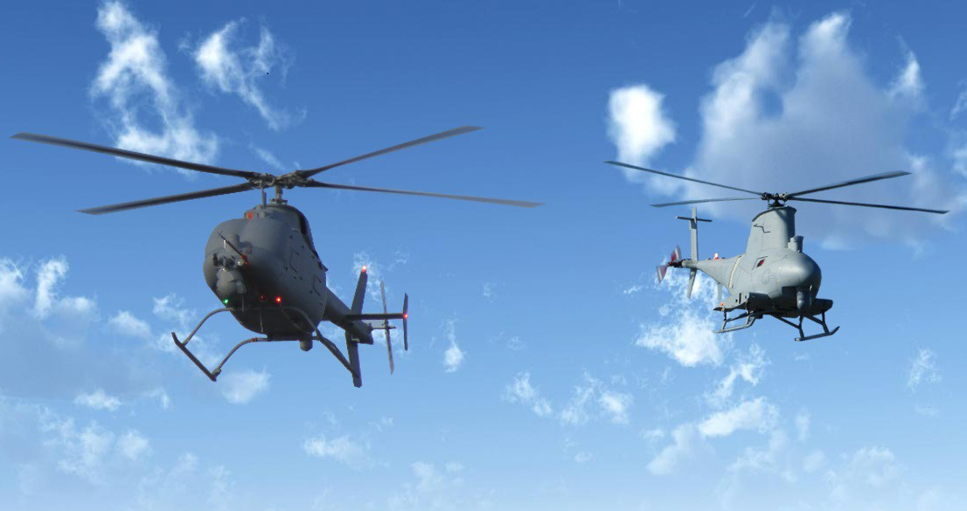
MQ-8 Fire Scout Unmanned Aircraft System (MQ-8 Fire Scout)
As of FY 2017 President's Budget
Defense Acquisition Management Information Retrieval
(DAMIR)

Table 22
Unit Cost History
Item |  |  |  |  |  |  |  | Date |  |  | BY 2006 $M |  |  |  |  |  | TY $M
 |  |  |  |  |  |  |  |  |  |  | PAUC |  | APUC |  |  |  | PAUC |  |  |  | APUC

Original APB |  |  |  |  | Dec 2006 |  |  |  |  |  | 13.369 |  |  | 9.062 |  |  |  | 15.746 |  |  |  | 10.842
APB as of January 2006 |  |  |  |  | N/A |  |  |  |  |  | N/A |  |  | N/A |  |  |  | N/A |  |  |  | N/A
Revised Original APB |  |  |  |  | N/A |  |  |  |  |  | N/A |  |  | N/A |  |  |  | N/A |  |  |  | N/A
Prior APB |  |  |  |  | Feb 2009 |  |  |  |  |  | 13.369 |  |  | 9.062 |  |  |  | 15.746 |  |  |  | 10.842
Current APB |  |  |  |  | Jun 2011 |  |  |  |  |  | 13.520 |  |  | 10.410 |  |  |  | 16.231 |  |  |  | 13.251
Prior Annual SAR |  |  |  |  | Dec 2014 |  |  |  |  |  | 35.153 |  |  | 23.293 |  |  |  | 40.566 |  |  |  | 28.333
Current Estimate |  |  |  |  | Dec 2015 |  |  |  |  |  | 34.981 |  |  | 23.098 |  |  |  | 40.073 |  |  |  | 27.802
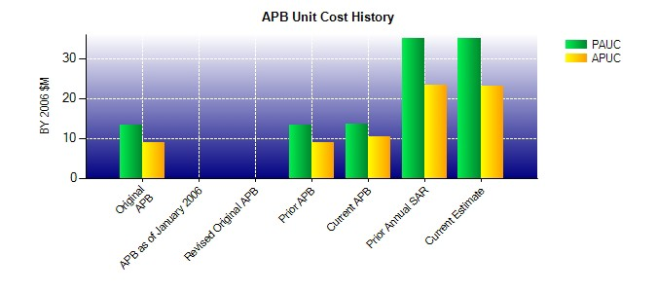
SAR Unit Cost History
Initial SAR Baseline to Current SAR Baseline (TY $M)
Initial PAUC Development Estimate | Changes |  |  |  |  |  |  |  |  |  |  |  |  |  |  |  |  |  |  | PAUC Production Estimate
 | Econ |  | Qty |  |  | Sch |  |  | Eng | Est |  | Oth |  | Spt |  | Total
15.746 0.000 0.000 0.000 0.000 0.000 0.000 0.000 0.000 15.746
Current SAR Baseline to Current Estimate (TY $M)
PAUC Production Estimate |  | Changes |  |  |  |  |  |  |  |  |  |  |  |  |  |  |  |  | PAUC Current Estimate
 |  | Econ |  | Qty |  |  | Sch |  | Eng | Est |  | Oth | Spt |  | Total
15.746 -0.341 8.891 6.454 11.344 -4.627 0.000 2.606 24.327 40.073

